Check List
Epic | Issue | Sample | Solution
 | Format mess | 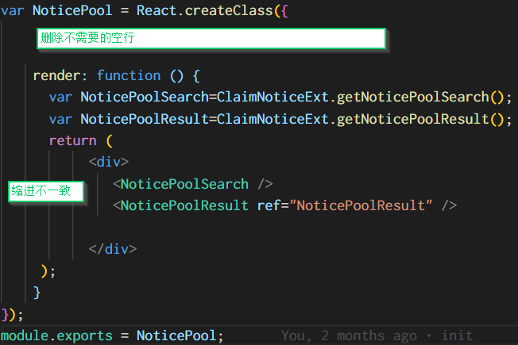 | Batch change with tools like “prettier”
 | Not follow good coding conventions and so-caused potential bugs |  | Use static code analysis tool like SonarQube and fix everything, with standard configurations Use SonarLint to check file one by one and fix issues, with same configuratoin as SonarQube, with support for React
 | Security holes |  | IBM Security AppScan(?) to scan and fix
 | Confidential information dumped |  | Define what information is confidential and review API response to ensure no such information dumped to client
 | unused modules
 | Dead code (code never executed) |  | Review code not covered by unit test from coverage report to ensure they are valid or not
 | Code with project relevant information like customer or product names |  | Brainstorm possible names and search. Manually review and remove
 | No comments or Chinese comments |  | 1.Write tool to or manually scan and remove all Chinese comments 2.Adopt tools like https://marketplace.visualstudio.com/items?itemName=joelday.docthis to generate JSDoc 3.Manually review and change
 | [JS/React naïve mistake] |  | Such mistakes sometimes could lead to bug but sometimes may not. Either way, this could lead customers to think we are not professional developers. Here such mistakes shall be officially documented by facebook or are "common sense" by JavaScript community
 | 1.Change state not via setState | renderTip(){ ... var removeItem = function(item , index){ ... if(this.state.values.length === 0 && this.state.open){ this.state.open = !this.state.open; ... | Search using regular expression: ^\s*this\.state\.[a-zA-Z0-9_]+\s*=\s* Review and fix one by one - change the variable to a class member instead of a state member - … or use setState - but need to avoid call setState where you should not, like in render
 | 2.Not use key prop and use index as key |  | linting tool (JSLint, etc.) shall be able to mark this error reivew and change one by one
 | 3.Change props | render: function () { ... this.props.caseId = this.props.policyInfo.CaseId; | Search using regular expression: ^\s*this\.props\.[a-zA-Z0-9_]+\s*=\s* Review and fix one by one
 | 4.Not declare propTypes |  | linting tool (JSLint, etc.) shall be able to mark this error reivew and change one by one
 | 5.Call APIs where you should not, like in render | render: function () { … <EU00TwoText id="noticeEntity_policyBranch" … codeTable={CodeTableAction.loadDataList(CodeTableCstUI.Branch, null)}/> | The sample code calls load code table API behind the scene. It could work since the API call is sync. It seems we extensively use sync calls to retrieve data in render. The left is just one example. However we shall not incur side effect in render since render shall be pure function How to change this in batch would need more thoughts and could have to do case by case. For this specific case, we could: - change EU00TwoText, instead of places using EU00TwoText, which could be too many - Change CodeTableAction.loadDataList to return an action object instead of calling API, effectively removing side effect - inside EU00TwoText.componentDidMount, call APIs using above action object aync, with setState in "then" - inside EU00TwoText, use above state to render instead of the codeTable prop
 | ● 不要在WillMount里面加载数据
 | 6.Change state where you should not, like in render | <See "Change state not via setState" sample>
 | Mess up with Promise async nature | isMotor(noticeEntity){ ... let result; ... if(productTypeCode){ Caller.doService(noticeService.isMotor(productTypeCode)).then( function(data){ result = data; }, ... } return result; } | Search using regular expression: \.then\( Review to identify such issues not too many, still manageable I am not sure how such code could (or maybe not!) work now
 | API calls: sync -> async? |  | We might ignore this since too much effort involved
 | Unused variable by mistake | if (countryCode) { let condition = { ... }; if (isNaN(parentRegionId)) { let condition = { ... }; } } | Linting tool could highlight such mistake and need to simply delete them since they anyway do not work
 | Dependencies shall be in DevDependencies, like babel-* |  | Review and fix
 | Unused dependencies / DevDependencies |  | Identify and remove
 | Do we need to separate baseline (AP00) / region (EU) / project? | AP00\..\CodeTableAction depends on EU00PartyCommonUI | We need to think of a more reasonable structure of all projects
 | [Rainbow UI] Extract Rainbow UI as separate npm package
 | [Rainbow UI] Publish to external-accessible repository
 | [Rainbow UI] Update dependencies of depending packages
 | [Claim Services] Extract Claim Services as separate npm package
 | [Claim Services] Publish to external-accessible repository
 | [Claim Services] Update dependencies of depending packages
 | Start with top level end-to-end “unit” test cases, following typical smoke test cases.
 | use mock-up lib to avoid dependencies to server and make unit tests repeatable
 | Generate code coverage report and identify hot spots to add more unit test cases
 | Files with less code coverage and more lines than others
 | More critical business functions / logic branches
 | Define principals on how to isolate surrounding components and context
 | Define principals on what to assert and what NOT to assert
 | README – install, configure, compile, deploy
 | Share via github or something else?
 | How customer compile and deploy the code in various environments

